Signup
First name Bug report
BugID | Related TC | Title | Steps | Test Data | Expected result | Actual Result | Screenshot | Piriority | Severity | Enviroment | Status
Bug_001 | TC_003 | at signup page , First name field not accept vaild 3 character | 1- Open url https://todo.qacart.com/ 2- Click on signup page 3- Enter vaild 3 characters only in the first name field 4- Click on signup button | First name : Bes | The field accept characters without any error | This error message was displayed "First Name is required, and it should be more than 3 characters" | 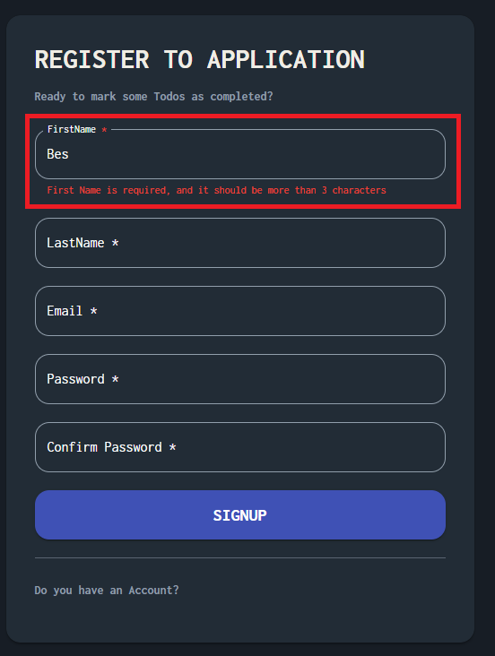 | High | Medium | Chrome Version 131.0.6778.86 (Official Build) (64-bit) | Opened
Bug_002 | TC_005 | at signup page , First name field accept numbers without error | 1- Open url https://todo.qacart.com/ 2- Click on signup page 3- Enter numbers in the first name field 4- Click on signup button | First name : 1234 | First name field not accept number with error message | The field accept numbers without any error | 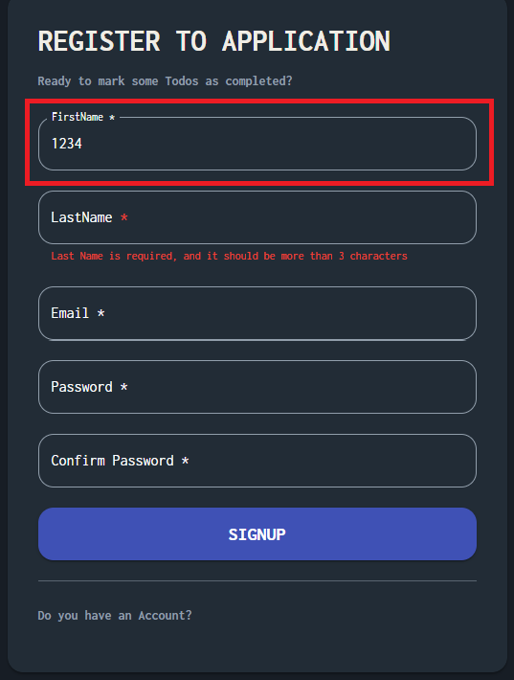 | High | Medium | Chrome Version 131.0.6778.86 (Official Build) (64-bit) | Opened
Bug_003 | TC_006 | at signup page , First name field accept special character without error | 1- Open url https://todo.qacart.com/ 2- Click on signup page 3- Enter special characters in the first name field 4- Click on signup button | First name : #@/*? | First name field not accept special character with error message | The field accept numbers without any error | 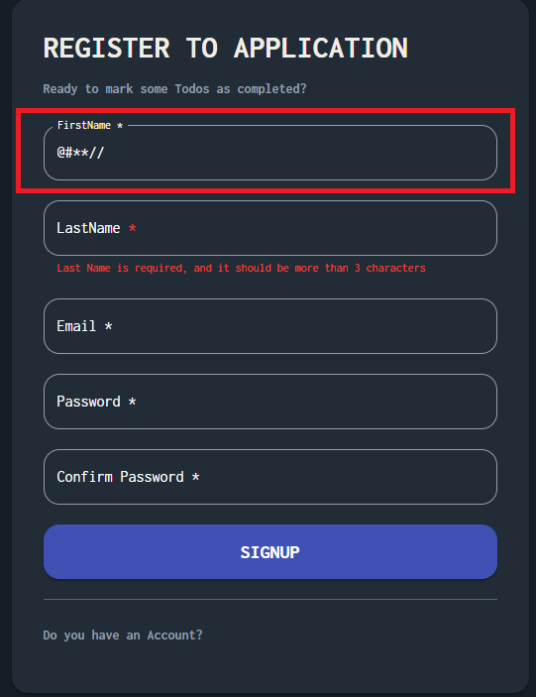 | High | Medium | Chrome Version 131.0.6778.86 (Official Build) (64-bit) | Opened
Bug_004 | TC_007 | at signup page , First name field accept valid character with numbers without error | 1- Open url https://todo.qacart.com/ 2- Click on signup page 3- Enter valid characters with numbers in the first name field 4- Click on signup button | First name : Beshoy1234 | First name field not accept valid character and numbers with error message | The field accept valid character with numbers without error | 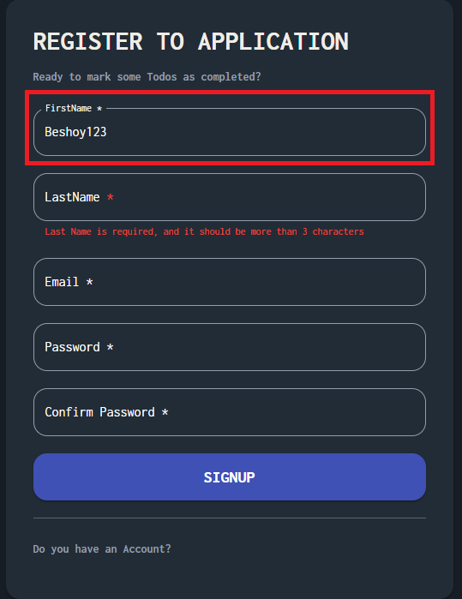 | Medium | Medium | Chrome Version 131.0.6778.86 (Official Build) (64-bit) | Opened
Bug_005 | TC_008 | at signup page , First name field accept valid character with special character without error | 1- Open url https://todo.qacart.com/ 2- Click on signup page 3- Enter vaild characters with special character in the first name field 4- Click on signup button | First name : Beshoy@? | First name field not accept valid character and sepcial character with error message | The field accept valid character with special character without error | 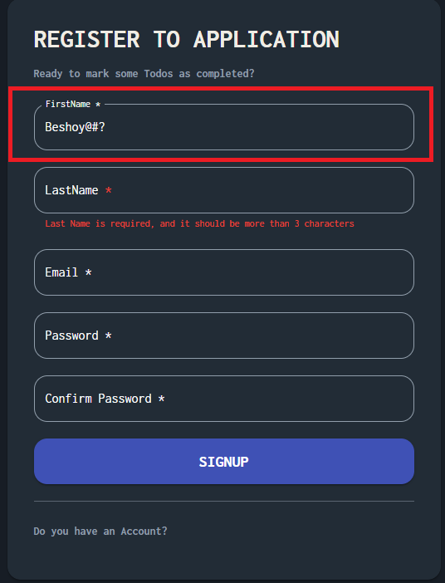 | Medium | Medium | Chrome Version 131.0.6778.86 (Official Build) (64-bit) | Opened
Bug_006 | TC_009 | at signup page , First name field accept spaces without error | 1- Open url https://todo.qacart.com/ 2- Click on signup page 3- Enter spaces in the first name field 4- Click on signup button | First name : 4 spaces | First name field not accept spaces with error message | The field accept spaces without error | 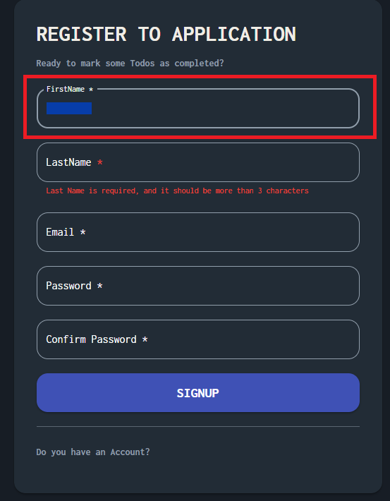 | Medium | Medium | Chrome Version 131.0.6778.86 (Official Build) (64-bit) | Opened
last name Bug report
Bug_001 | TC_005 | at signup page , Last name field accept numbers without error | 1- Open url https://todo.qacart.com/ 2- Click on signup page 3- enter numbers in the last name field 4- Click on signup button | last name : 1234 | Last name field not accept number with error message | The field accept numbers without any error | 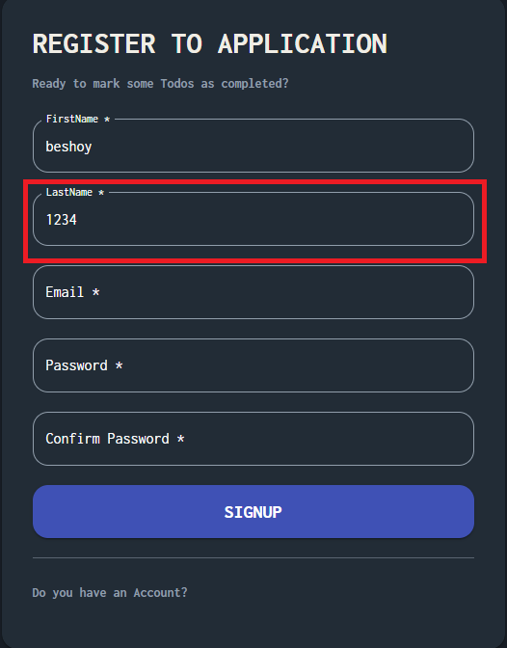 | Medium | Medium | Chrome Version 131.0.6778.86 (Official Build) (64-bit) | Opened
Bug_002 | TC_006 | at signup page , Last name field accept special character without error | 1- Open url https://todo.qacart.com/ 2- Click on signup page 3- enter special character in the last name field 4- Click on signup button | last name : @#?** | Last name field not accept special character with error message | The field accept special character without any error | 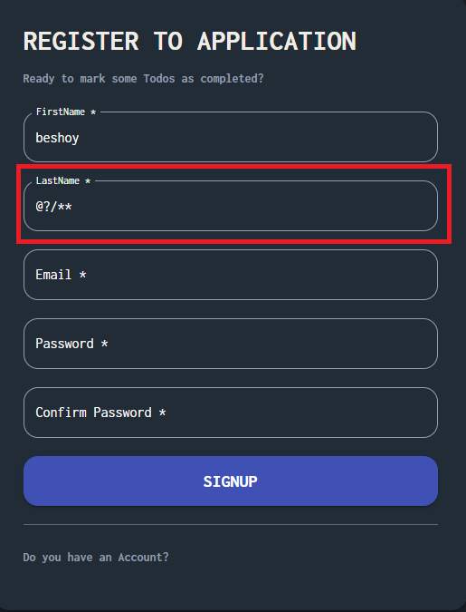 | High | Medium | Chrome Version 131.0.6778.86 (Official Build) (64-bit) | Opened
Bug_003 | TC_007 | at signup page , Last name field accept valid character with numbers without error | 1- Open url https://todo.qacart.com/ 2- Click on signup page 3-enter valid characters with numbers in the last name field 4- Click on signup button | last name : Nessem1234 | Last name field not accept valid character and numbers with error message | The field accept valid character with numbers without error | 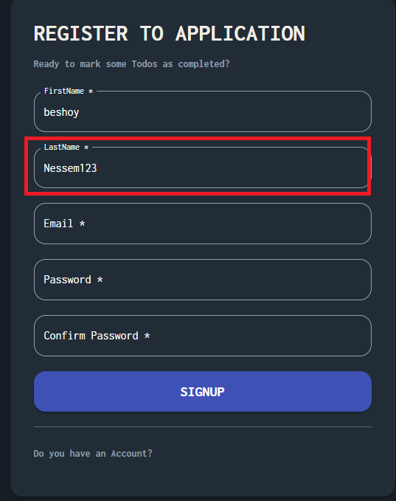 | Medium | Medium | Chrome Version 131.0.6778.86 (Official Build) (64-bit) | Opened
Bug_004 | TC_008 | at signup page , Last name field accept special character without error | 1- Open url https://todo.qacart.com/ 2- Click on signup page 3-enter valid characters with special character in the last name field 4- Click on signup button | last name : Nessem@# | Last name field not accept valid character and sepcial character with error message | The field accept valid character with special character without error | 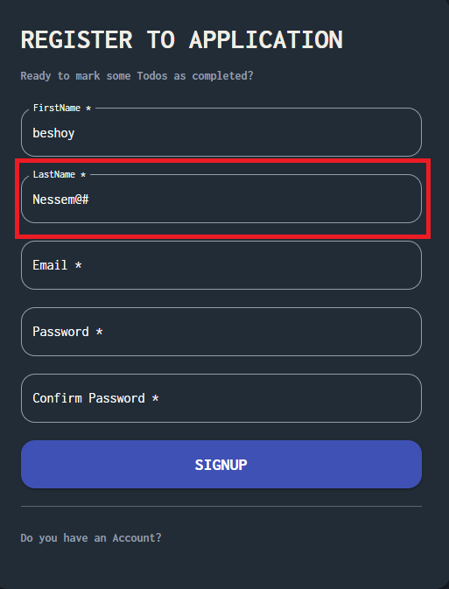 | Medium | Medium | Chrome Version 131.0.6778.86 (Official Build) (64-bit) | Opened
Bug_005 | TC_009 | at signup page , Last name field accept spaces without error | 1- Open url https://todo.qacart.com/ 2- Click on signup page 3-enter spaces between valid character in the last name field 4- Click on signup button | last name : 4 spaces | Last name field not accept spaces with error message | The field accept spaces without error | 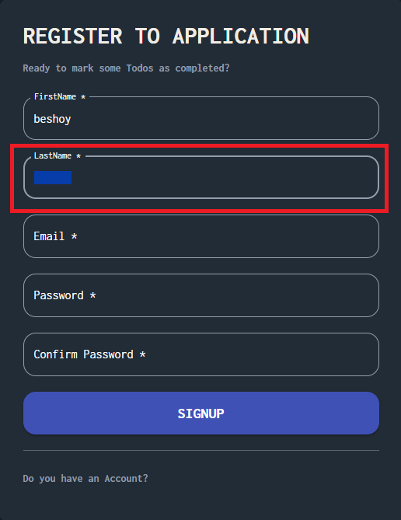 | High | Medium | Chrome Version 131.0.6778.86 (Official Build) (64-bit) | Opened
Email Bug report
Bug_001 | TC_005 | at signup page , Email field accept local part of the email with special character with no error | 1- Open url https://todo.qacart.com/ 2- Click on signup page 3- enter local part of email with special character in email field 4- Click on signup button | Email :b#?@gmail.com | Email field not accept with error message | The field accept without error | 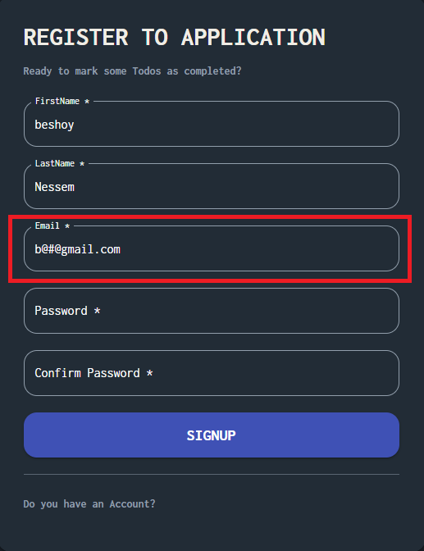 | High | Medium | Chrome Version 131.0.6778.86 (Official Build) (64-bit) | Opened
Bug_002 | TC_010 | at signup page , Email field accept email with invalid top level domain | 1- Open url https://todo.qacart.com/ 2- Click on signup page 3- enter email with invalid top level domainn in email field 4- Click on signup button | Email :b@nessem.co | Email field not accept with error message | The field accept without error | 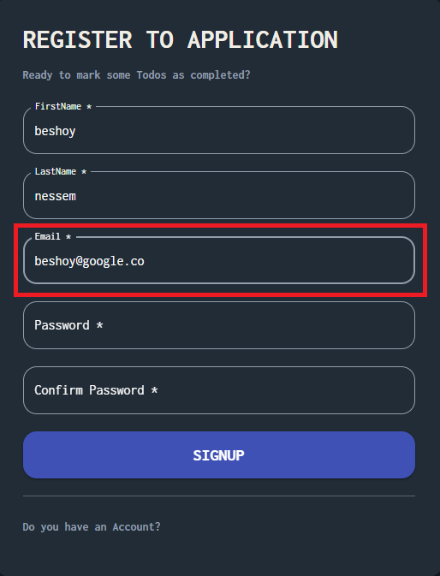 | High | Medium | Chrome Version 131.0.6778.86 (Official Build) (64-bit) | Opened
Password Bug report
Bug_001 | TC_011 | at signup page , Password field accept password that contain the same username with no error | 1- Open url https://todo.qacart.com/ 2- Click on signup page 3- enter password contain same username in password field 4- Click on signup button | Pass: #Beshoy2468 | Password field not accept with error message | The field accept without error | 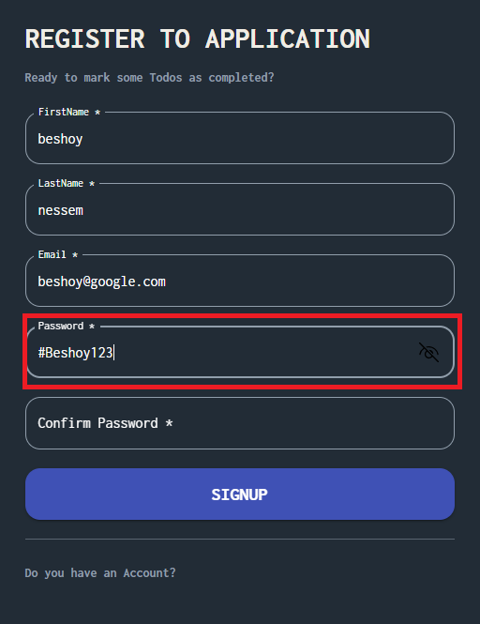 | High | Medium | Chrome Version 131.0.6778.86 (Official Build) (64-bit) | Opened
UI Bug report
Bug_001 | TC_002 | Sign up not compatible and doesn't run correctly in different screen or devices | 1- Open url https://todo.qacart.com/ 2- Click on signup page 3- Open Developer tool 4- Click on Devices 5- Open the page on different screen sizes/devices. |  | Signup page should be compatibale and run in different screens / devices | Sign up not compatible and doesn't run correctly in different screen or devices | 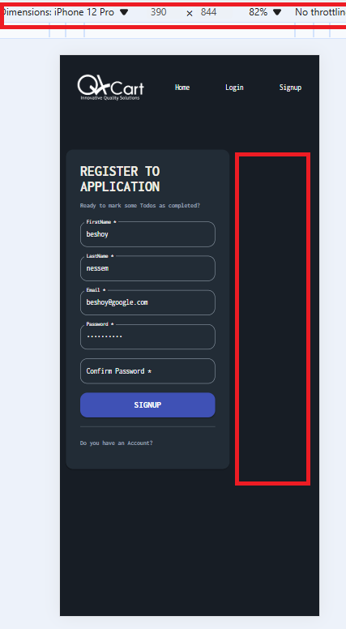 | High | Medium | Chrome Version 131.0.6778.86 (Official Build) (64-bit)

Login
BugID | Related TC | Title | Steps | Test Data | Expected result | Actual Result | Screenshot | Piriority | Severity | Enviroment | Status
Bug_001 | TC_018 | At login page , the loader diplayed in wrong location after enter valid email and password | 1- Open url http://localhost:3000/login 2- Click on Login page 3- Enter valid email 4- Enter valid password 5- Click on login button | Email : beshoy#nessem16@gmail.com Pass: #beshoy1234 | the loader is in suitable location | The loader displayed in a wrong location | 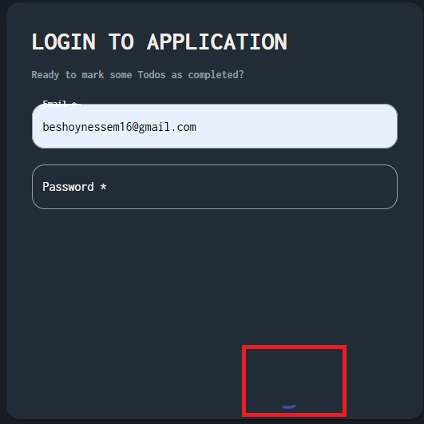 | low | low | Chrome Version 131.0.6778.86 (Official Build) (64-bit) | Opened
Bug_002 | TC_019 | Login page not compatible and doesn't run correctly in different screen or devices | 1- Open url https://todo.qacart.com/login 2- Click on login page 3- Open Developer tool 4- Click on Devices 5- Open the page on different screen sizes/devices. |  | Login page should be compatibale and run in different screens / devices | Login not compatible and doesn't run correctly in different screen or devices | 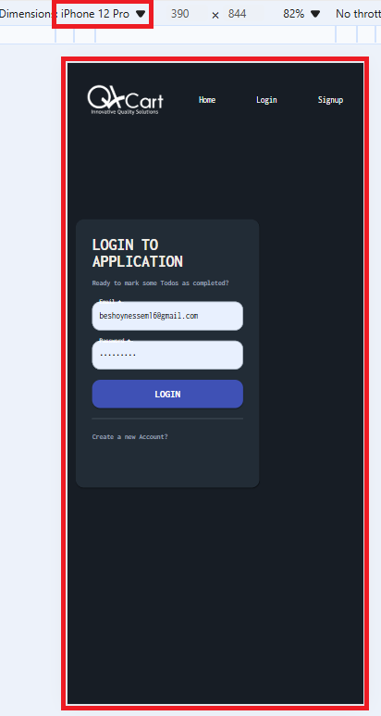 | Medium | Medium | Chrome Version 131.0.6778.86 (Official Build) (64-bit) | Opened

Todo
BugID | Related TC | Title | Steps | Test Data | Expected result | Actual Result | Screenshot | Piriority | Severity | Enviroment | Status
Bug_001 | TC_005 | At todo page , Username dispaly with 2 character | 1- Open Database 2-Enter Valid 2 character in firstname field 3- Open url http://localhost:3000/login 4- Enter valid email 5-Enter valid password 6- Click on login button | Email : beshoynessem16@gmail.com Pass: #Beshoy1234 firstname: Be | The username shouldn't display correctly and diaplay "User" | The useranme dispalyed with 2 character with no error | 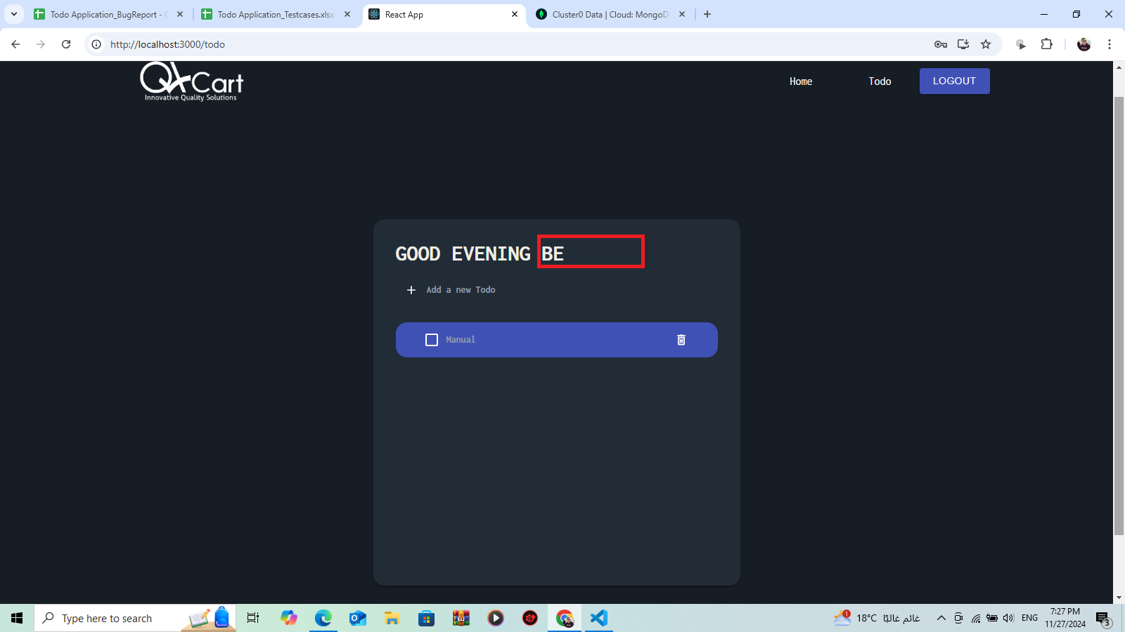 | Medium | Medium | Chrome Version 131.0.6778.86 (Official Build) (64-bit) | Opened
Bug_002 | TC_008 | At todo page , Username dispaly with spaces | 1- Open Database 2-Enter spaces on firstname field 3- Open url http://localhost:3000/login 4- Enter valid email 5-Enter valid password 6- Click on login button | Email : beshoynessem16@gmail.com Pass: #Beshoy1234 firstname: | The username shouldn't display correctly and diaplay "User" | The useranme dispalyed with spaces | 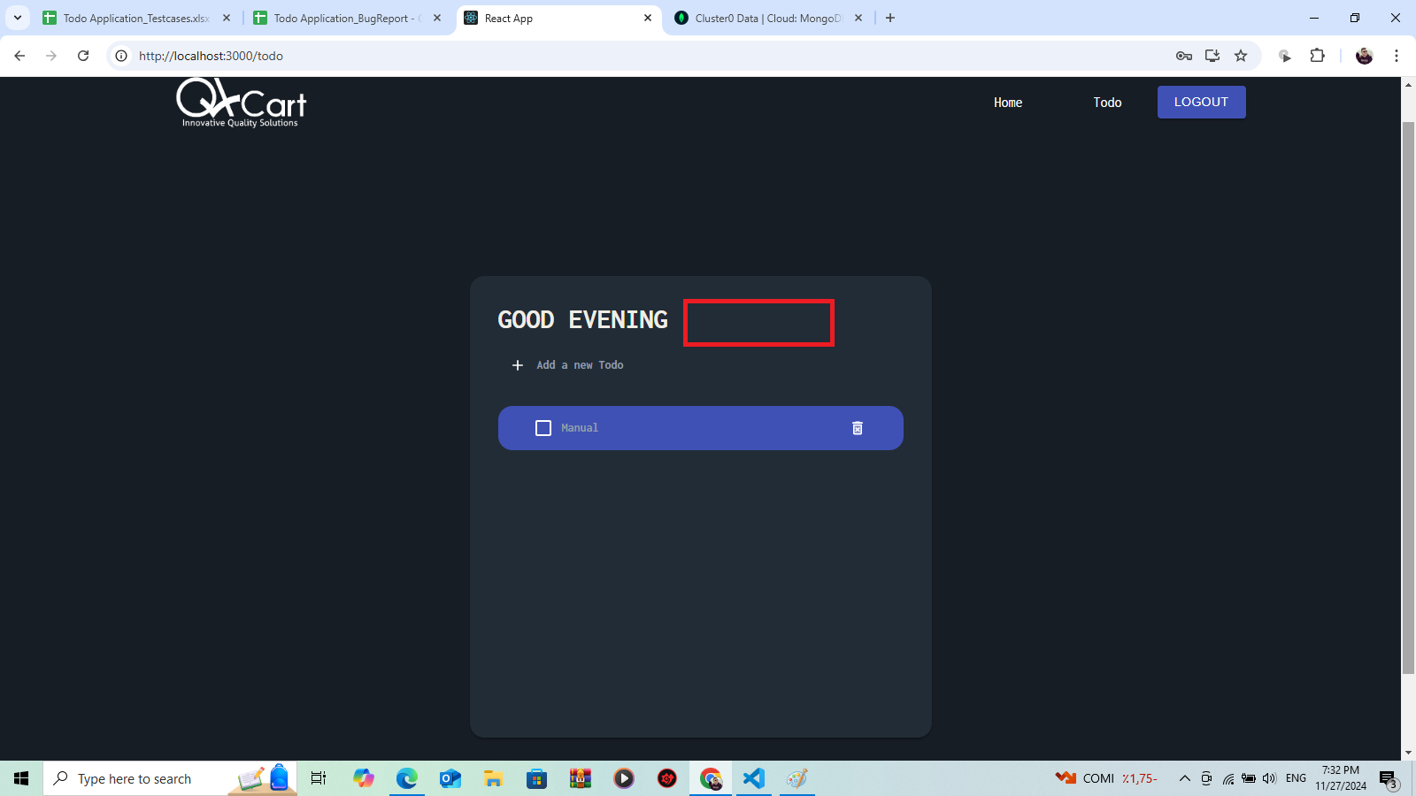 | High | Medium | Chrome Version 131.0.6778.86 (Official Build) (64-bit) | Opened
Bug_003 | TC_010 | At todo page , Username dispaly with numbers | 1- Open Database 2- Enter special characters in firstname field 3- Open url http://localhost:3000/login 4- Enter valid email 5-Enter valid password 6- Click on login button | Email : beshoynessem16@gmail.com Pass: #Beshoy1234 firstname:1234 | The username shouldn't display correctly and diaplay "User" | The useranme dispalyed with numbers | 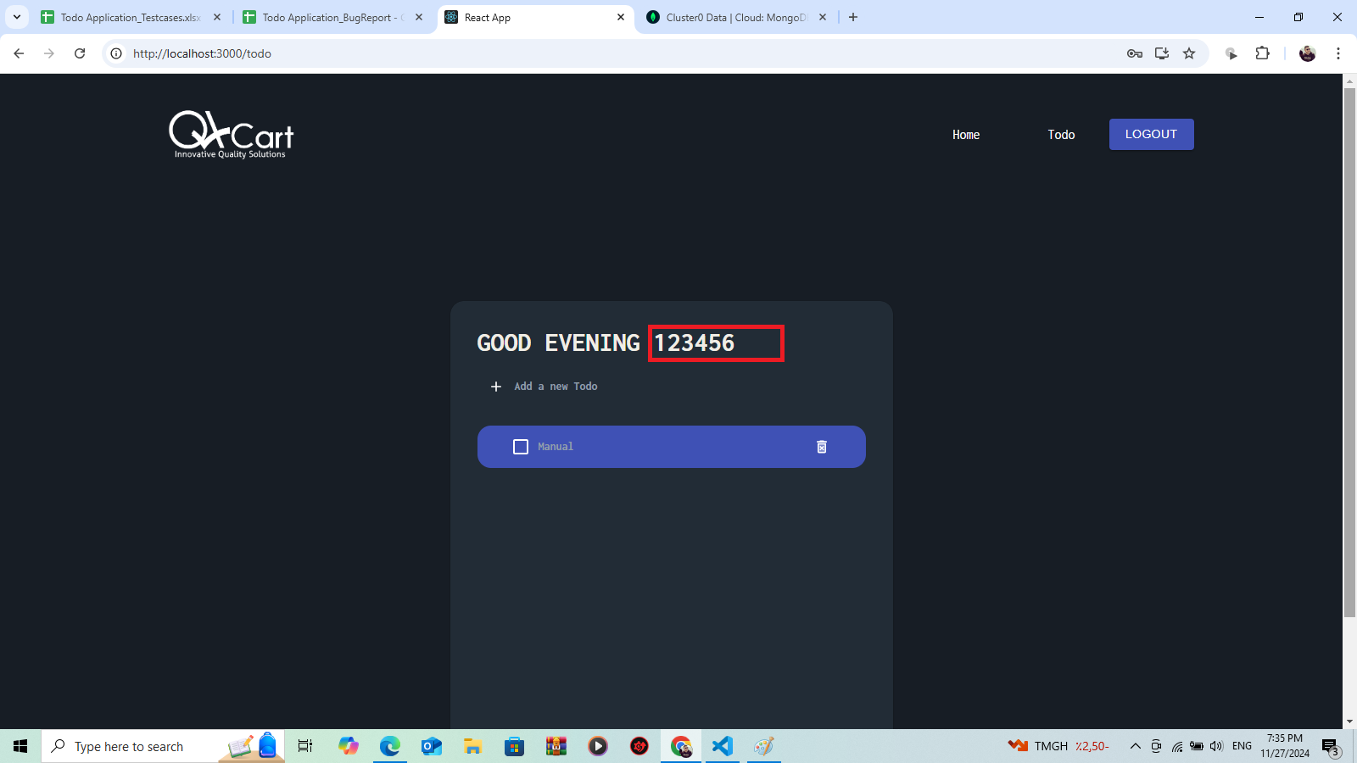 | High | Medium | Chrome Version 131.0.6778.86 (Official Build) (64-bit) | Opened
Bug_004 | TC_015 | At todo page , Todo item dispaly with spaces | 1- Open url http://localhost:3000/login 2- Click on Login page 3- Enter valid email 4- Enter valid password 5- Click on login button 6- Click on "Add new todo" button 7-Enter spaces in todo item field 8- Click on "Create todo" button | Email : beshoynessem16@gmail.com Pass: #Beshoy1234 Todo item : | Error message should be showed that must enter more than 3 characters | Todo item dispaly with no error | 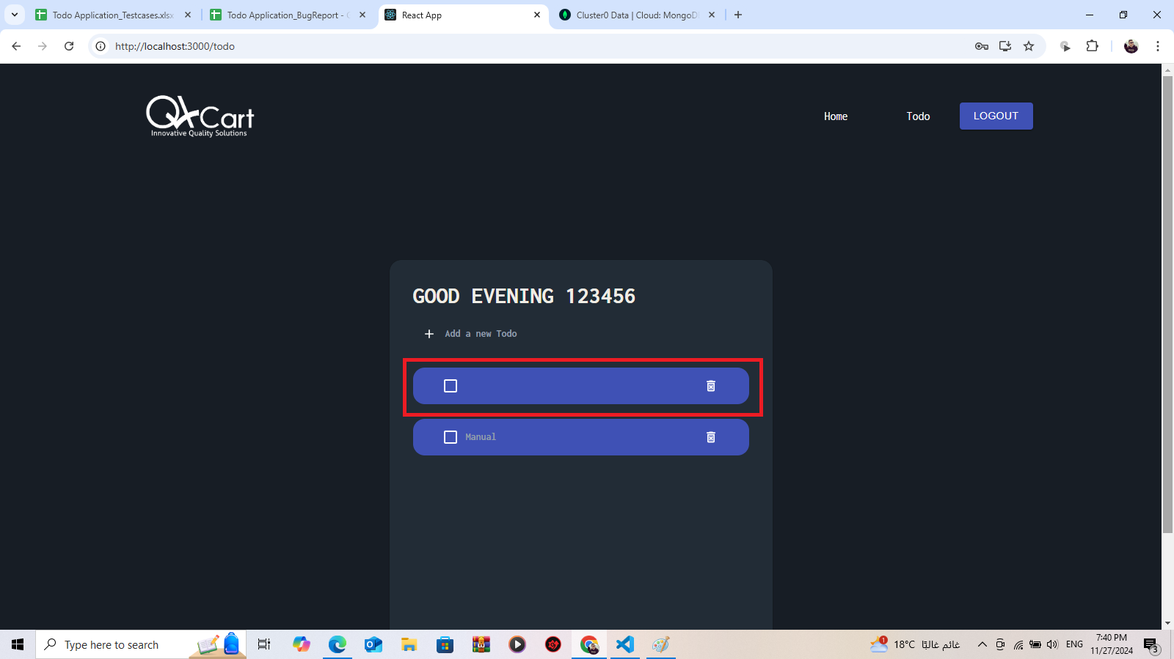 | High | Medium | Chrome Version 131.0.6778.86 (Official Build) (64-bit) | Opened
Bug_005 | TC_016 | At todo page , "No avaliable todo" is showed after adding morethan 5 items | 1- Open url http://localhost:3000/login 2- Click on Login page 3- Enter valid email 4- Enter valid password 5- Click on login button 6- Click on "Add new todo" button 7-Enter valid 5 todo items 8- Click on "Create todo" button | Email : beshoynessem16@gmail.com Pass: #Beshoy1234 Todo item : Manual , Automation , Test , Security , API | Todo item displayed correctly with no error | "No avaliable todo" is showed after adding morethan 5 items | 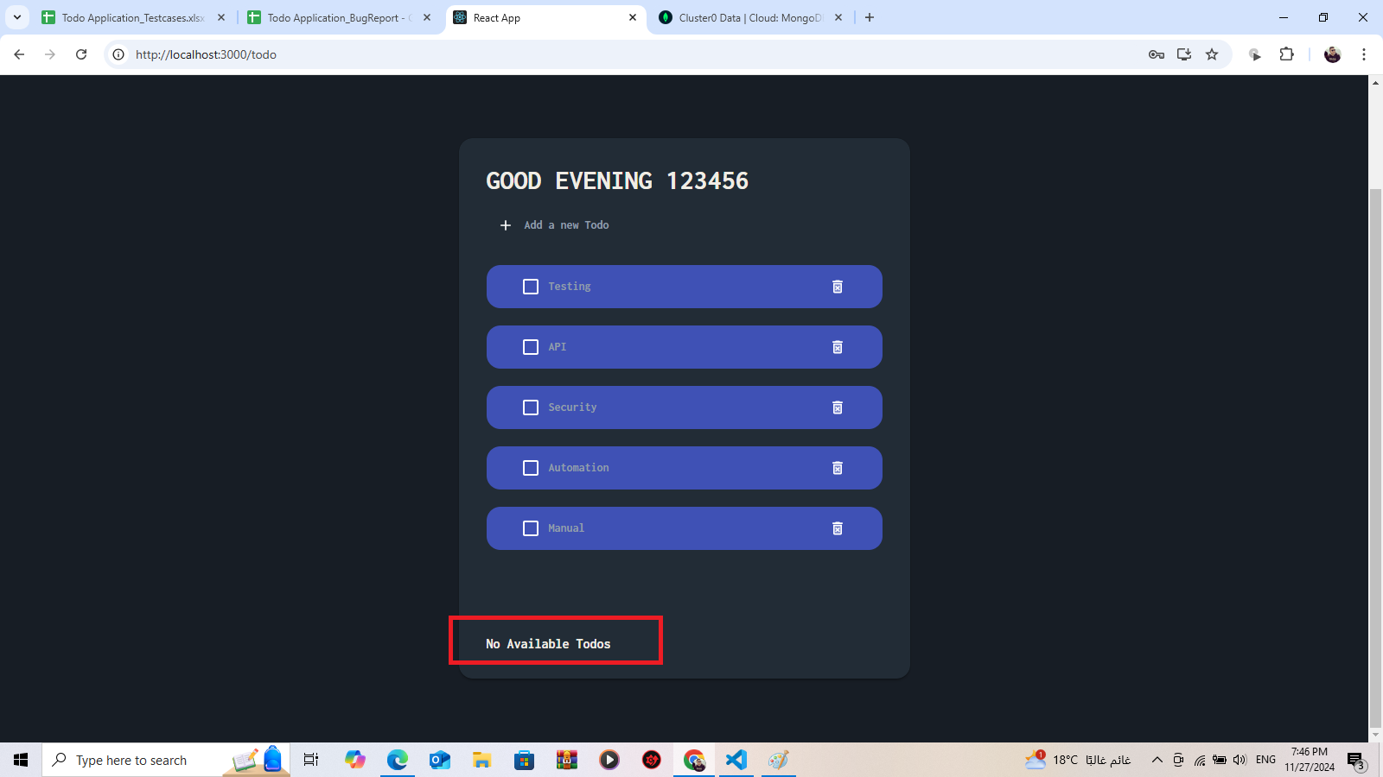 | Medium | Medium | Chrome Version 131.0.6778.86 (Official Build) (64-bit) | Opened
Bug_006 | TC_020 | Todo page not compatible and doesn't run correctly in different screen or devices | 1- Open url https://todo.qacart.com/login 2- Click on login page 3- Open Developer tool 4- Click on Devices 5- Open the page on different screen sizes/devices. | Email : beshoynessem16@gmail.com Pass: #Beshoy1234 Todo item : Manual , Automation , Test , Security , API | Todo page should be compatibale and run in different screens / devices | Todo page not compatible and doesn't run correctly in different screen or devices | 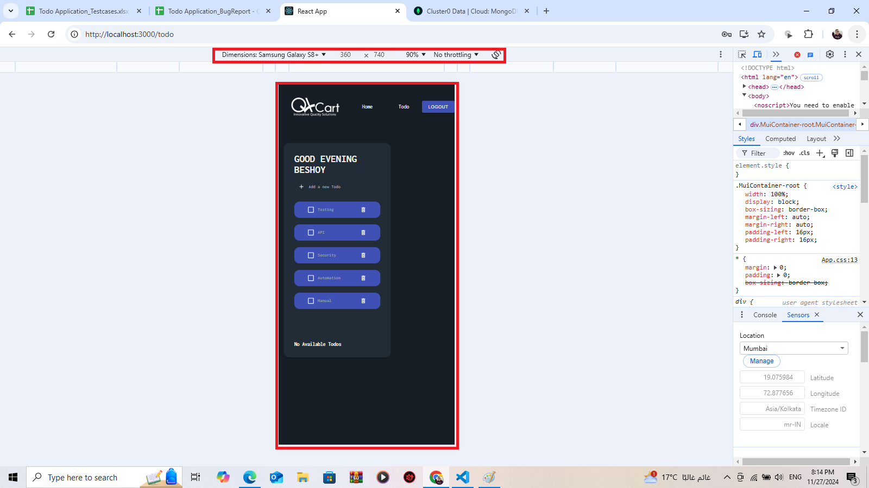 | High | Medium | Chrome Version 131.0.6778.86 (Official Build) (64-bit) | Opened

